Cover Sheet
Suicides In Northern Ireland, 2022
Data presented in this spreadsheet is final and details suicides registered in Northern Ireland during 2022.
Date of release: 13 December 2023
Date of next Release: Autumn 2024
This is a National Statistics publication.
National Statistics are accredited official statistics.
Accredited official statistics are called National Statistics in the Statistics and Registration Service Act 2007 (https://osr.statisticsauthority.gov.uk/accredited-official-statistics/).
National Statistics are produced to high professional standards set out in the Code of Practice for Official Statistics. They are produced free from any political interference.
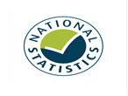
These accredited official statistics were independently reviewed by the Office for Statistics Regulation in April 2012. They comply with
the standards of trustworthiness, quality and value in the Code of Practice for Statistics and should be labelled ‘accredited official statistics'.
Our statistical practice is regulated by the Office for Statistics Regulation (OSR). OSR sets the standards of trustworthiness, quality and
value in the Code of Practice for Statistics that all producers of official statistics should adhere to.
You are welcome to contact us directly with any comments about how we meet these standards by emailing demography@nisra.gov.uk. Alternatively, you can contact OSR by emailing regulation@statistics.gov.uk or via the OSR website.

These tables have been produced as an addendum to the Annual Report of the Registrar General. The complete 2022 Annual Report can be found on the NISRA website at:
2022 Registrar General Annual Report

NISRA Consultation
NISRA recently consulted on proposed changes to a range of statistical outputs. The consultation, which ended on 15 October, sought views from users and stakeholders to
help NISRA to address the financial constraints imposed by the budget settlement for 2023-24, whilst minimising the impact on users and stakeholders. The full report on
the outcome of the consultation, including users’ responses, actions planned and mitigations, can be found at https://www.nisra.gov.uk/publications/outputs-consultation
Contact Information
If you have any queries about this publication please contact our Customer Services Section at:
Customer Services
Northern Ireland Statistics and Research Agency
Colby House
Stranmillis Court
Belfast BT9 5RR
Phone: +44 (0)300 200 7836
email: info@nisra.gov.uk
Responsible Statistician: Claire Rocks
User Feedback
We are constantly trying to improve our service and would like to hear your feedback on how we are doing.
Do you have time to complete our short Vital Statistics User Survey?
Would you like to sign up to our User List to receive info on our latest releases?
Add Me to the User list

Figure1
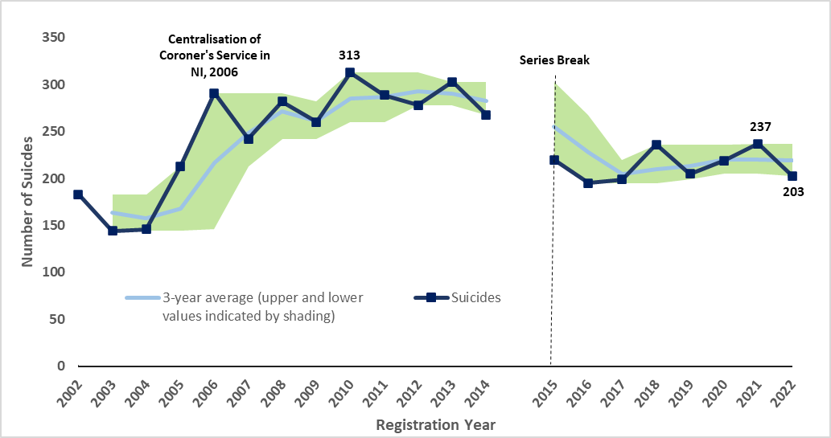
Number of Suicides Registered in Northern Ireland, 2002-2022
 | Table list

Figure2
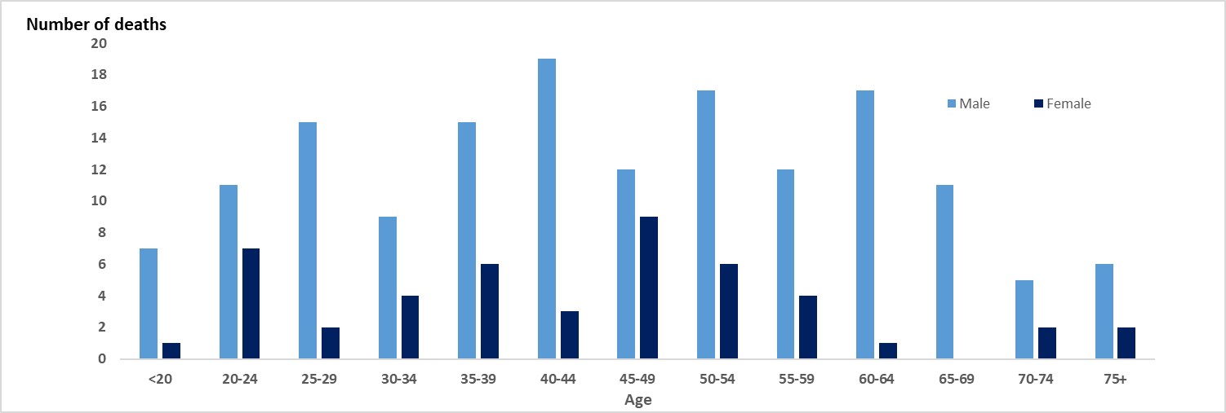
Number of Suicides Registered in Northern Ireland by Sex and Age, 2022
 | Table list

Figure3
Crude death Rate per 100,000 Population of Suicides Registered in Northern Ireland by Marital Status, 2011-2022 | Table list
 | Total | Single | Married | Divorced | Widowed
2011 | 20.188049234 | 30.537715044 | 12.720149935 | 34.582575505 | 10.29993408
2012 | 19.419645976 | 27.638564882 | 12.990791423 | 35.863411635 | 11.329927488
2013 | 21.166017017 | 28.798224947 | 14.749961095 | 47.390936804 | 8.2
2014 | 18.721097559 | 30.537715044 | 10.284376544 | 33.301739375 | 8.2399472643
2015 | 15.368065161 | 22.806647945 | 9.6077728235 | 24.335886467 | 12.359920897
2016 | 13.62169412 | 19.520944427 | 9.3371313355 | 23.055050337 | 7.2099538563
2017 | 13.137542144 | 18.726981419 | 8.9271081632 | 21.94715126 | 4.1500664011
2018 | 15.580221305 | 23.408929726 | 9.8598305175 | 21.946910424 | 7.2622394672
2019 | 13.533666812 | 22.021733891 | 7.7279752705 | 16.460182818 | 5.1873139051
2020 | 14.457917228 | 22.888731288 | 8.1276981293 | 24.141601466 | 4.1498511241
2021 | 15.646239192 | 26.530120357 | 7.5947343175 | 24.141601466 | 5.1873139051
2022 | 13.401613343 | 17.686593562 | 9.4600698446 | 20.849793697 | 11.412682603

Figure4
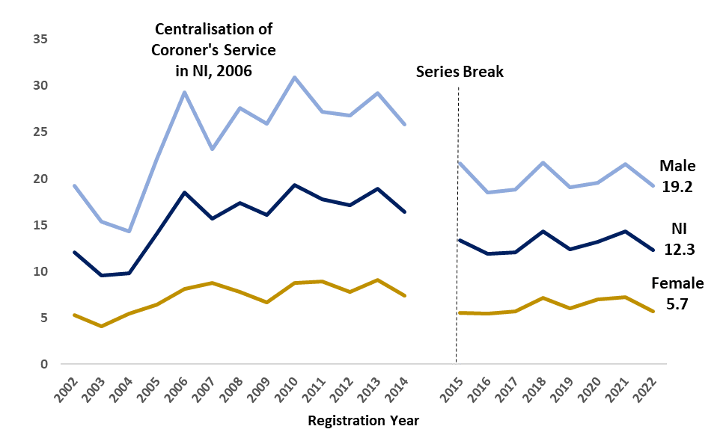
Suicide and ASMR per 100,000 Population in Northern Ireland by Sex, 2002 to 2022
 | Table list

Figure5
Number of Suicides Registered in Northern Ireland by Health and Social Care Trust, 2022
South Eastern | 34
Western | 35
Northern | 40
Southern | 43
Belfast | 51
 | Table list

Figure6
Percentage of Suicides Registered in Northern Ireland by NI Multiple Deprivation Measure (2017), 2022
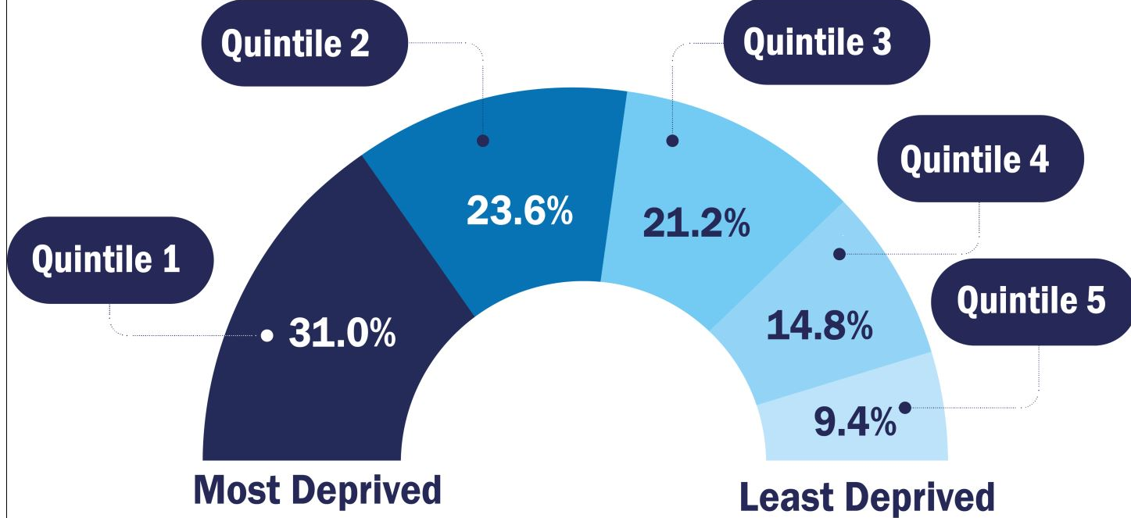
 | Table list

Figure7
Number of Suicides Registered in Northern Ireland by method , 2002-2022
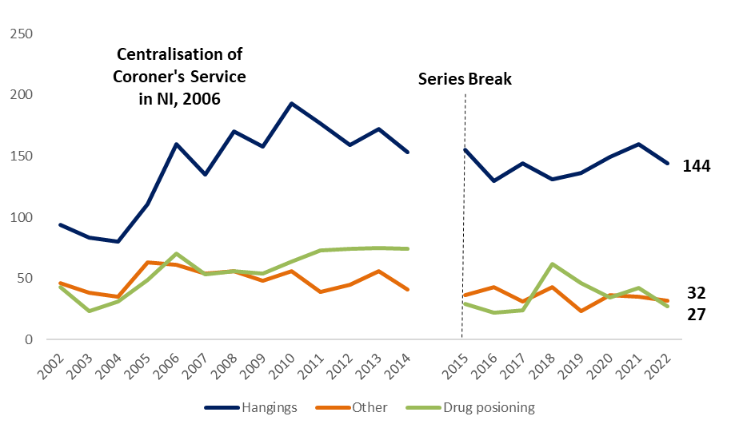
 | Table list

Figure8
Number of Suicides in Northern Ireland by Registration and Occurrence Year, 2002-2022
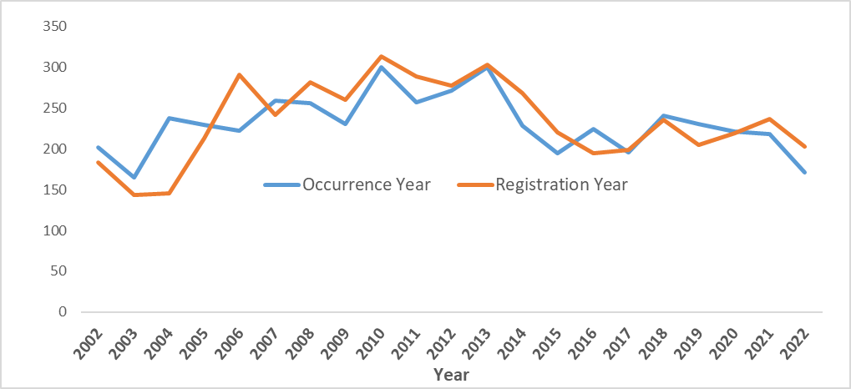

 | Table list

Figure 9
Number of suicide deaths (3-year rolling average) in NI by Occurrence Year, 2002-2022

 | #REF! | #REF! | 3-year average (upper and lower values indicated by shading) | #REF!
 |  |  |  | 1
 | 202 | 165 | 183.5
 | 238 | 165 | 201.66666667
 | 238 | 165 | 211
 | 238 | 222 | 230
 | 259 | 222 | 237
 | 259 | 222 | 245.66666667
 | 259 | 231 | 248.66666667
 | 300 | 231 | 262.33333333
 | 300 | 231 | 262.66666667
 | 300 | 257 | 276
 | 300 | 257 | 276
 | 300 | 228 | 266.33333333
 | 300 | 195 | 241
 | 228 | 195 | 215.66666667
 | 224 | 195 | 205
 | 241 | 196 | 220.33333333
 | 241 | 196 | 222.66666667
 | 241 | 221 | 231
 | 231 | 218 | 223.33333333
 | 221 | 171 | 203.33333333
Series Break

